Sheet1
 | Pin # | GPIO # | Name | Connects To | Comments
 | 2 |  | 5V | UPS | Stacked Module, no wire
 | 3 | 2 | I2C SDA | UPS | Stacked Module, no wire
 | 4 |  | 5V | UPS | Stacked Module, no wire
 | 5 | 3 | I2C SCL | UPS | Stacked Module, no wire
 | 6 |  | GND | UPS | Stacked Module, no wire
 | 8 | 14 | UART TX | Scanner
 | 9 |  | GND | UPS | Stacked Module, no wire
 | 10 | 15 | UART RX | Scanner
 | 16 | 23 | Output | Green LED
 | 18 | 24 | Output | Yellow LED
 | 22 | 25 | Output | Red LED
 | 37 | 26 | Input | Trigger
 | 3.5mm Jack |  | Audio | Amplifier | Cord, no wire

 | Datasheet References:
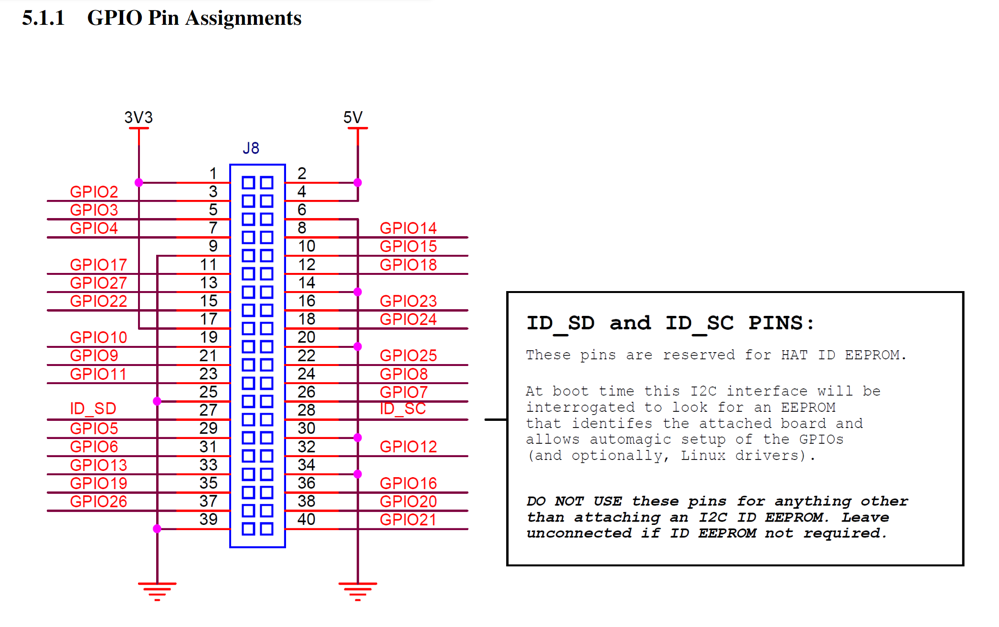
Page 9

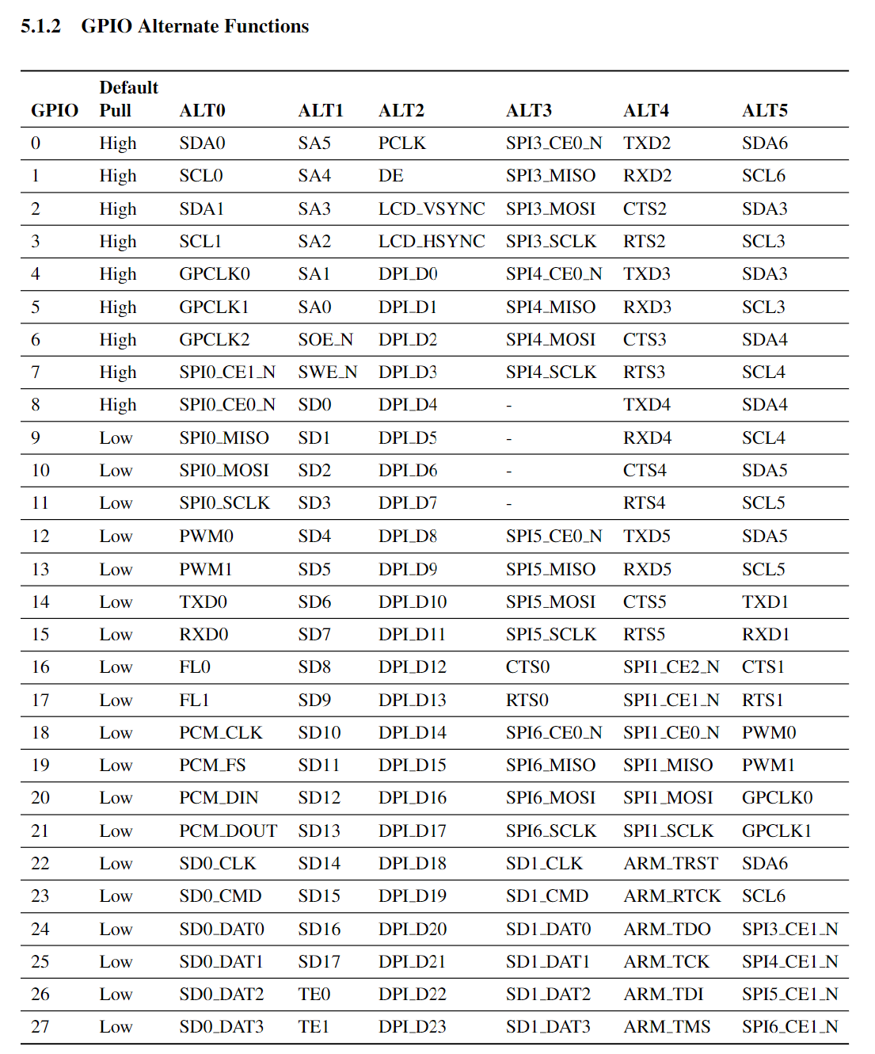
Page 10

